Steel Girder design tool (ship
RC Beam ACI Code Design Tool (SI Units) ----- Developed by Samson Mano <https://sites.google.com/site/samsoninfinite/>

INPUT DATA
Width of beam： |  | b | = | 500.00 | mm
Depth of beam : |  | h | = | 700.00 | mm | For beam with one layer reinforcemernt d = h - 65 mm and for two layer reinforcement d = h - 90 mm
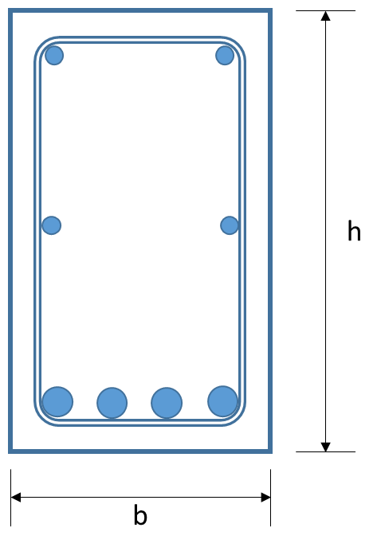
Effective depth of beam |  | d | = | 635.00 | mm
Cover thickness |  | t | = | 40.00 | mm
Assumed diameter of Stirrup |  | sd | = | 12.70 | mm | Need to calculate Aoh and Ph
Maximum Bending moment : |  | Mu | = | 615850000.00 | N-mm
Maximum Shear Force : |  | Vu | = | 272680.00 | N
Maximum Torque |  | Tu | = | 28125000.00 | N-mm
Compressive strength of Concrete : |  | f'c | = | 30.00 | N/mm2
Yield strength of steel : |  | fy and fyt | = | 460.00 | N/mm2
Strength reduction factor (Bending) |  | φm | = | 0.90 |  | For tension controlled beam section (ACI 318-02 Section 9.3.2.2.)
Strength reduction factor (shear and torsion) |  | φv,t | = | 0.75 |  | From ACI code chapter 9

CALCULATION
1) | Cross - section details
 | Refer ACI Table 9.5a for Minimum depth of control flexural deflections
 | Area of Cross-section | Acp = b * h |  |  |  |  |  | = | 350000.0 | mm2
 | Preimeter of Cross-section | Pcp = 2 * (b + h) |  |  |  |  |  | = | 2400.0 | mm
 | Width of beam within center - line of closed stirrups |  |  |  |  | b1 = b - 2*t - sd |  | = | 407.3 | mm
 | Height of beam within center - line of closed stirrups |  |  |  |  | h1 = h - 2*t - sd |  | = | 607.3 | mm
 | Area within center line of closed stirrups |  |  |  |  | Aoh = b1 * h1 |  | = | 247353.3 | mm2
 | Perimeter within center line of closed stirrups |  |  |  |  | Ph = 2 * (b1 + h1) |  | = | 2029.2 | mm

2) | Area of steel required for flexure
 | Flexural resistance factor | R = Mu / φbd2 |  |  |  |  |  | = | 3.394025 | N/mm2
 | Required reinforcemnt ratio | Finding ρ using linear interpolation R = ωf'c(1-0.59ω) and ω = ρfy/f'c |  |  |  |  |  | = | 0.007950
 | Required Area of tension reinforcement | As =ρ*b*d |  |  |  |  |  | = | 2524.157 | mm2

3) | Nominal moment carrying capacity of the section
 |  | a = Asfy/ (0.85 f'c b) |  |  |  |  |  | = | 91.1 | mm
 |  | β1 = 1.09 - 0.008 f'c |  |  |  |  |  | = | 0.85
 |  | c = a/ β1 |  |  |  |  |  | = | 107.1 | mm
 |  | εt = ((d-c)/c)*0.003 |  |  |  |  |  | = | 0.014781
 |  |  |  |  |  |  |  |  | Tension controlled beam |  | From ACI 318-02 Section 9.3.2.2
 | Nominal moment carrying capacity | ɸMn = (ɸAs fy (d-a/2)) |  |  |  |  |  | = | 615992748.600 | N-mm
 |  |  |  |  |  |  |  |  | 615.99 | KN-m
 |  |  |  |  |  |  |  |  | Nominal moment carrying capacity exceeds actual moment

4) | Should torsion be considered?
 | Torsion threshold | Tth = φ (sqrt(f'c)/12) * (Acp2/Pcp) |  |  |  |  |  | = | 17472920.13 | N-mm | From ACI code section 11.5.1
 |  |  |  |  |  |  |  |  | 17.47 | KN-m
 |  |  |  |  |  |  |  |  | Torsion should be considered
5) | Is section large enough to resist torsion
 | From ACI code section 11.5.3.1(a) required to satisfy sqrt((Vu/bwd)2+(Tuph/1.7Aoh2)2) <= φ(Vc/bwd + 8sqrt(f'c))
 |  | Vc =(sqrt(f'c)/6)bwd |  |  |  |  |  | = | 289836.52 | N | From ACI code section 11.2.1.1
 |  |  |  |  |  |  |  |  | 289.84 | KN
 |  | φ(Vc/bwd + (2/3)sqrt(f'c)) |  |  |  |  |  | = | 3.42 | N/mm2
 |  | sqrt((Vu/bwd)2+(Tuph/1.7Aoh2)2) |  |  |  |  |  | = | 1.02 | N/mm2
 |  |  |  |  |  |  |  |  | Cross-section is large enough

6) | Stuirrup area required for shear
 | The basic design eqn for the shear capacity of slender concrete beam is Vu < φ (Vc + Vs) From ACI Eq. 11-1, 11-2
 |  | Vc |  |  |  |  |  | = | 289836.52 | N | From ACI code Eq. 11-3
 |  | Vs >= (Vu/φ) - Vc |  |  |  |  |  | >= | 73736.81 | N
 |  |  |  |  |  |  |  |  | 73.74 | KN
 | The shear resisted by the stirrups is Av/s = Vs/fytd from ACI Eq. 11-15
 |  | Av/s = Vs/fytd |  |  |  |  |  | >= | 0.25244 | mm2/mm
 | ACI Code section 11.5.5.3 specifies the minimum shear reinforcemnt
 |  | (Av/s)min1 = (1/16) sqrt(f'c)bw/fy |  |  |  |  |  | = | 0.3720941 | mm2/mm | From ACI code Eq. 11-13
 |  | (Av/s)min2 = bw/3*fy |  |  |  |  |  | = | 0.3623188 | mm2/mm
 |  | (Av/s)min = Max((Av/s)min1,(Av/s)min2) |  |  |  |  |  | = | 0.3720941 | mm2/mm
 |  |  |  |  |  |  |  |  | Minimum web requirement is governing
 |  | Provide stirrup Av/s |  |  |  |  |  | = | 0.37209 | mm2/mm

7) | Stuirrup area required for torsion
 | The basic design eqn for torsion capacity is φ Tn >= Tu From ACI Eq. 11-20
 |  | Tn >= Tu / φ |  |  |  |  |  | >= | 37500000.0 | N-mm
 |  |  |  |  |  |  |  |  | 37.5 | KN-m
 | The equation of nominal torsion capcity is At/s = (Tn/2Aofyt)cotθ From ACI Eq. 11-21
 |  | Ao = 0.85 Aoh |  |  |  |  |  | = | 210250.297 | mm2 | From ACI code section 11.5.3.6
 |  | ACI Code section 11.5.3.6 suggest taking θ = 45 deg
 |  | At/s = (Tn/2Aofyt) |  |  |  |  |  | >= | 0.19387 | mm2/mm

8) | Add the stirrup area from shear and torsion
 |  | Av+t/s = Av/s + 2At/s |  |  |  |  |  | = | 0.75983 | mm2/mm | From ACI code section 11.5.3.8
 | ACI Code section 11.5.5.2 specifies the minimum area of closed stirrups
 |  | (Av+t/s)min1 = (1/16)*sqrt(f'c)*(bw/fyt) |  |  |  |  |  | = | 0.37209 | mm2/mm | From ACI Eq 11-23
 |  | (Av+t/s)min2 = bw/3fyt |  |  |  |  |  | = | 0.36232 | mm2/mm | From ACI Eq 11-23
 |  | (Av+t/s)min =max((Av+t/s)min1,(Av+t/s)min2) |  |  |  |  |  | = | 0.37209 | mm2/mm
 |  |  |  |  |  |  |  |  | Minimum does not Govern
 |  | Provide stirrup Av+t/s |  |  |  |  |  | = | 0.75983 | mm2/mm
 |  | Av+t = 2 * pi() sd2/4 |  |  |  |  |  |  | 254 | mm2
 | From the diameter of Stirrup given, the spacing required is |  |  |  |  |  | s | = | 334.3 | mm
 | Spacing requirement from ACI Section 11.5.4.3
 |  | Smax1 = 0.5*d |  |  |  |  |  | = | 317.5 | mm
 |  | smax2 |  |  |  |  |  | = | 600.0 | mm
 |  | For the assumed diameter of stirrup, provide s |  |  |  |  |  | = | 310 | mm
 |  |  |  |  |  |  | Stirrup spacing provided | = | 300.00 | mm | <- Update the actual stirrup spacing

9) | Area of Longitudinal reinforcement for torsion
 |  | Al =(At/s) ph(fyt/fy)cot2 θ |  |  |  |  |  | = | 393.39757 | mm2 | From ACI Eq. 11-22
 | ACI Code Eq. 11-24 specifies the minimum area of longitudinal reinforcement for torsion
 |  | Almin =(5/12) sqrt(f'c)Acp/fy - (At/s) ph(fyt/fy) |  |  |  |  |  | = | 18.38327 | mm2
 |  |  |  |  |  |  |  |  | Minimum does not Govern
 |  | Provide stirrup Al |  |  |  |  |  | = | 393.39757 | mm2

OUTPUT DATA
 |  | Area of steel required for Flexure (does not include longitudinal reinforcement) |  |  |  |  | As | = | 2524.16 | mm2 | <- Does not include longitudinal reinforcement
 |  | Stirrup area required for Shear and Torsion |  |  |  |  | Av+t/s | = | 0.7599 | mm2/mm
 |  | Area of stirrup provided |  |  |  |  | Av+t = 2 x Area of bar dia. sd | = | 254.00 | mm2
 |  | Spacing of stirrup provided |  |  |  |  | s | = | 300.00 | mm
 |  | Stirrup area provided for Shaer and Torsion |  |  |  |  | Av+t/s | = | 0.847 | mm2/mm
 |  | Area of longitudinal reinforcement required for torsion |  |  |  |  | Al | = | 393.40 | mm2

